EVD_OPL 12-01
Test Case ID
Test Case Summary | Lakukan WO Candidate dan entry WO manual

Step # | Test Evidence | Re-Test Evidence (if found Bug/Issue)
1
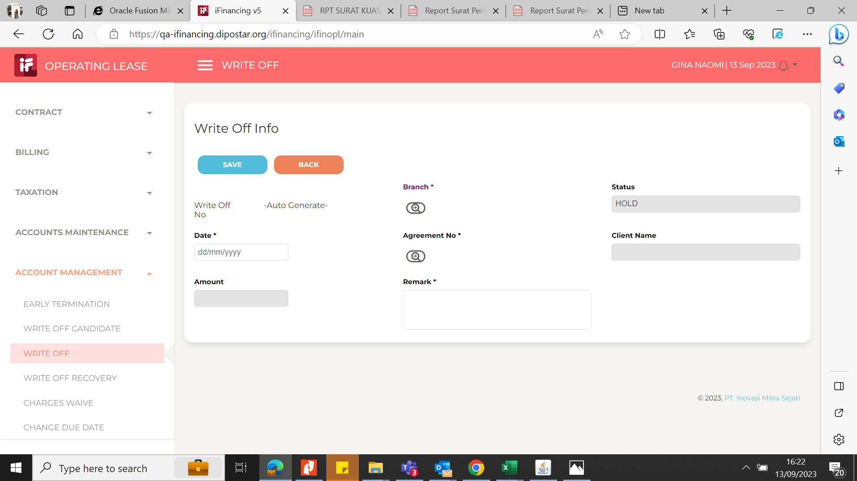
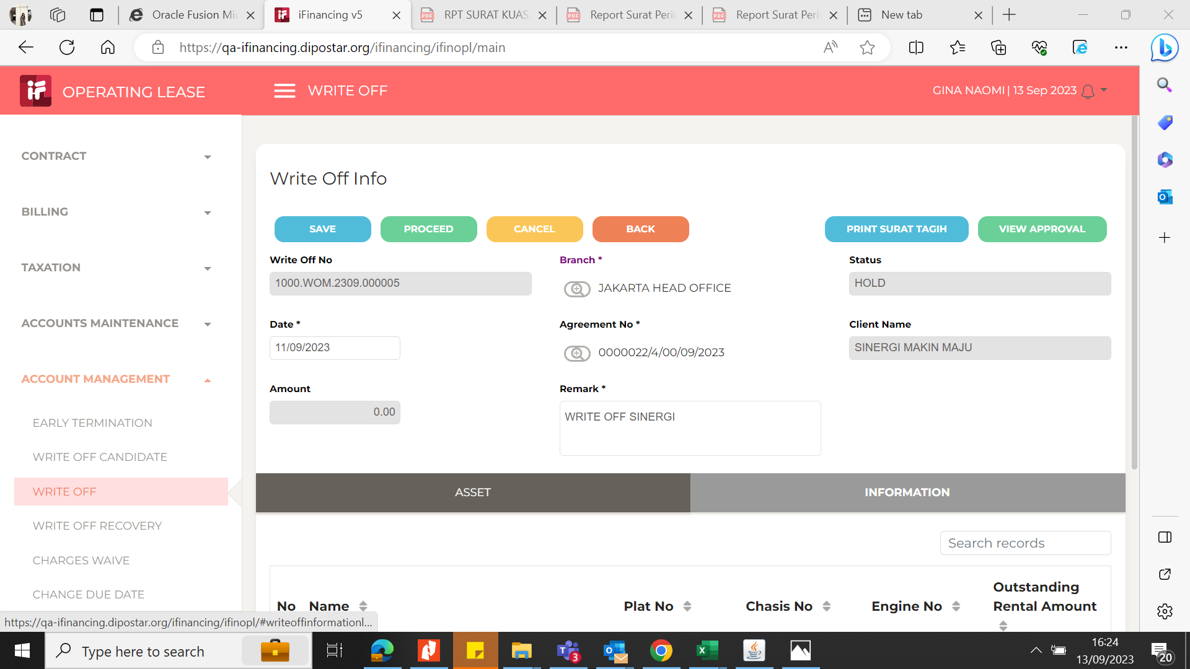

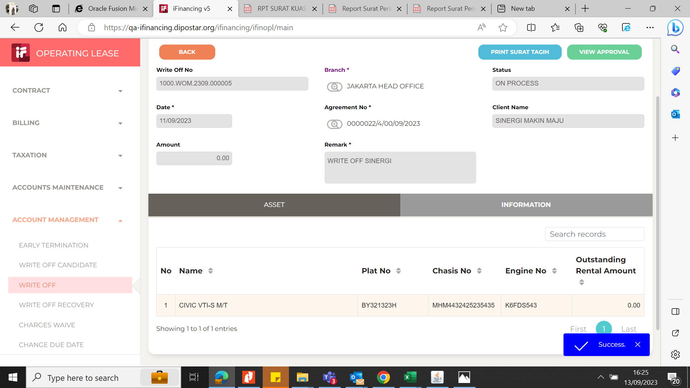
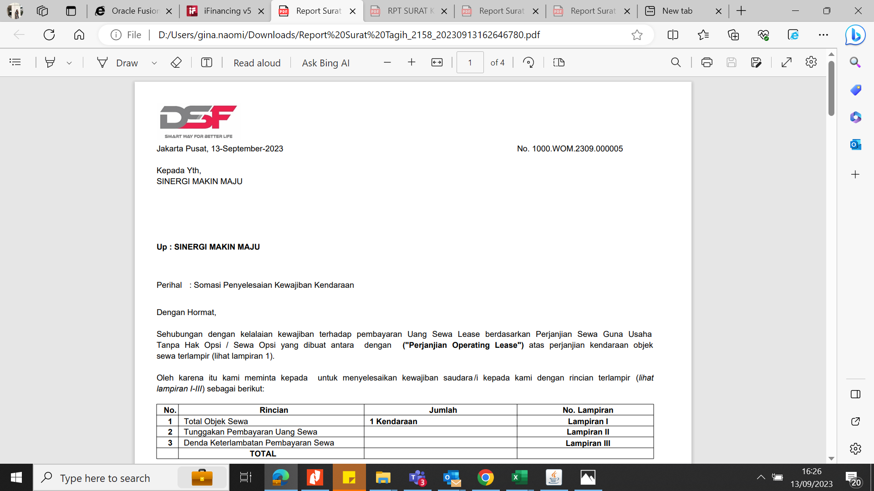
2

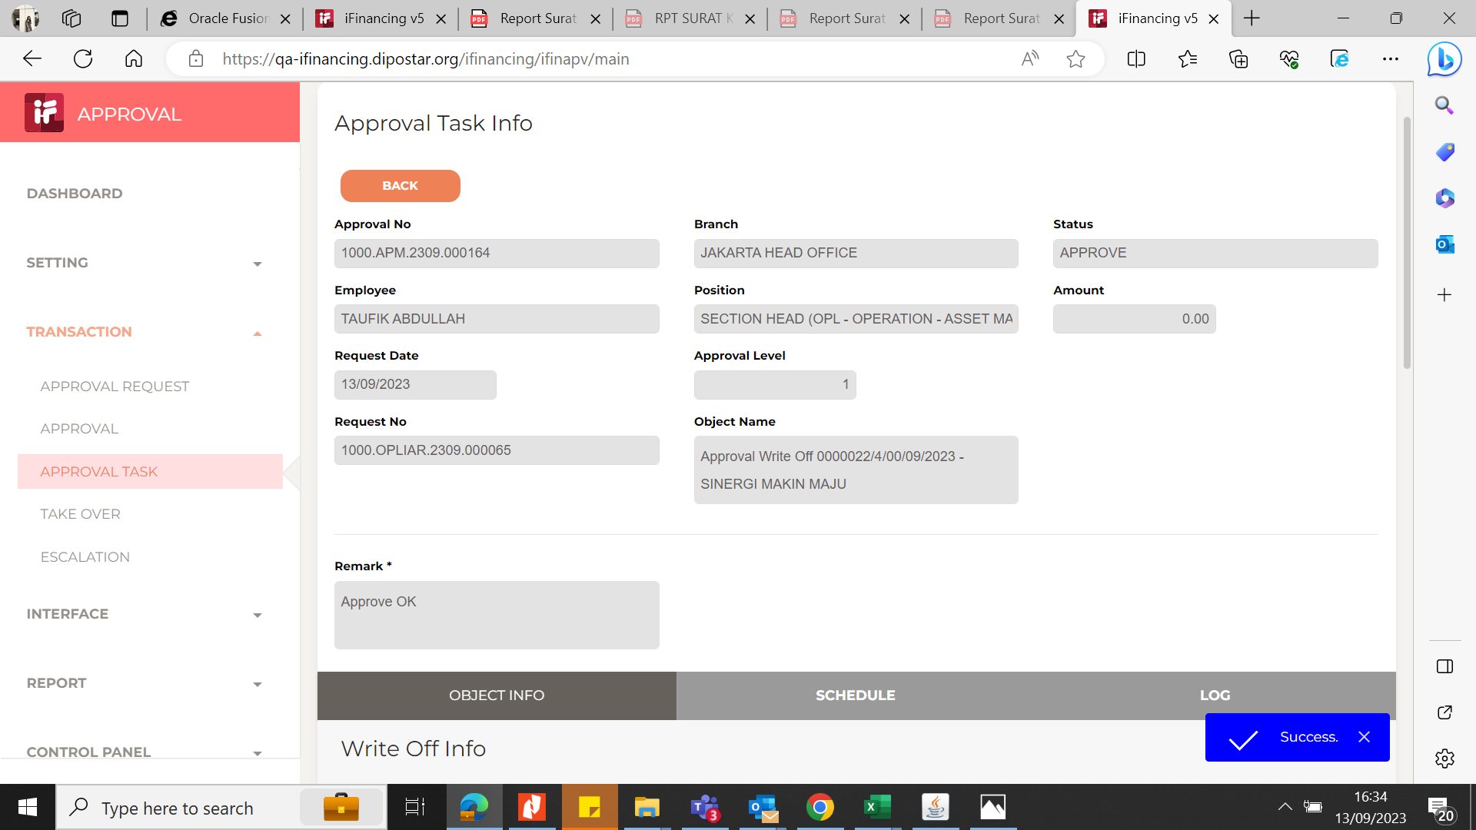
3

4


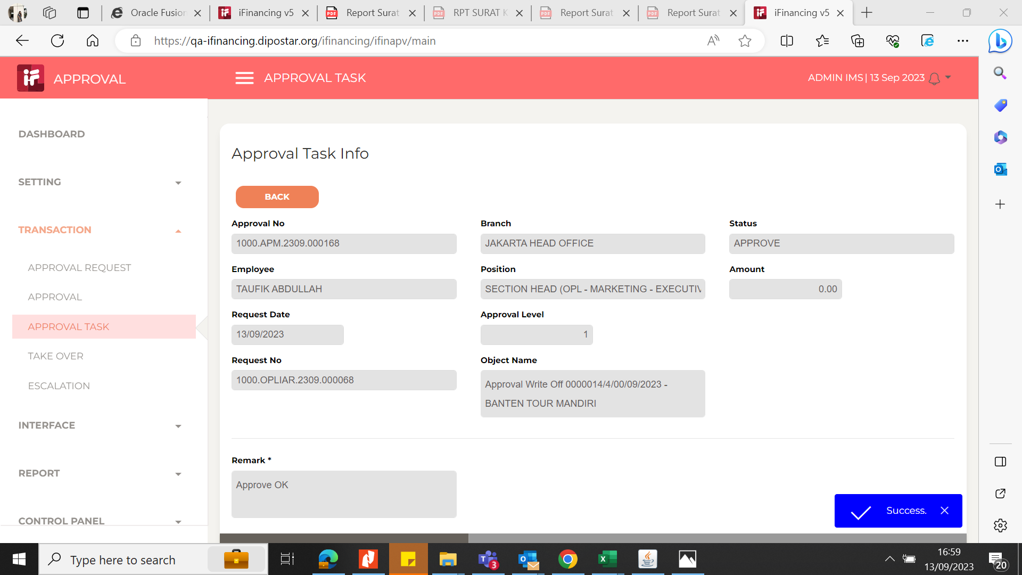
5

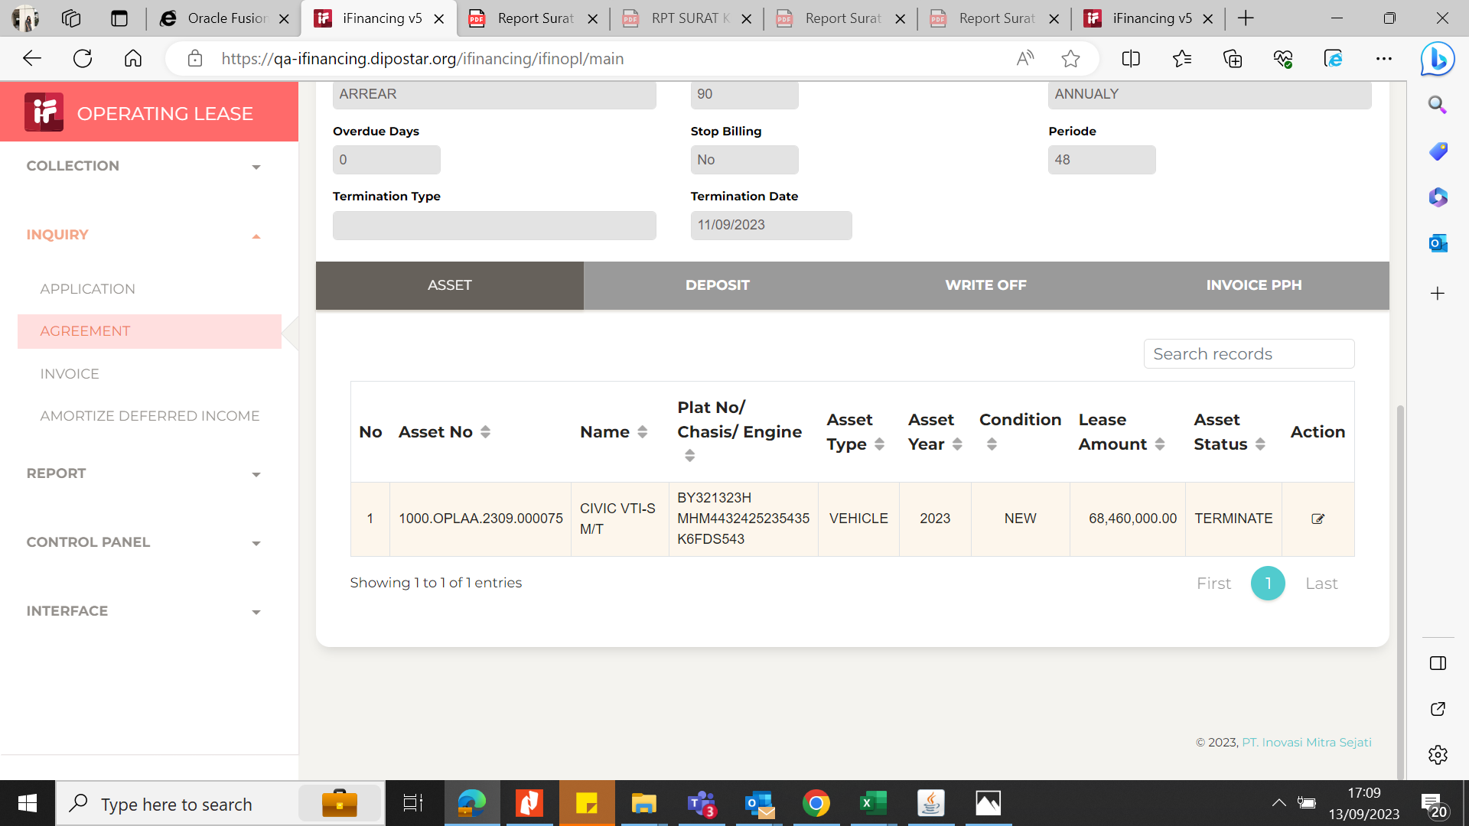
6

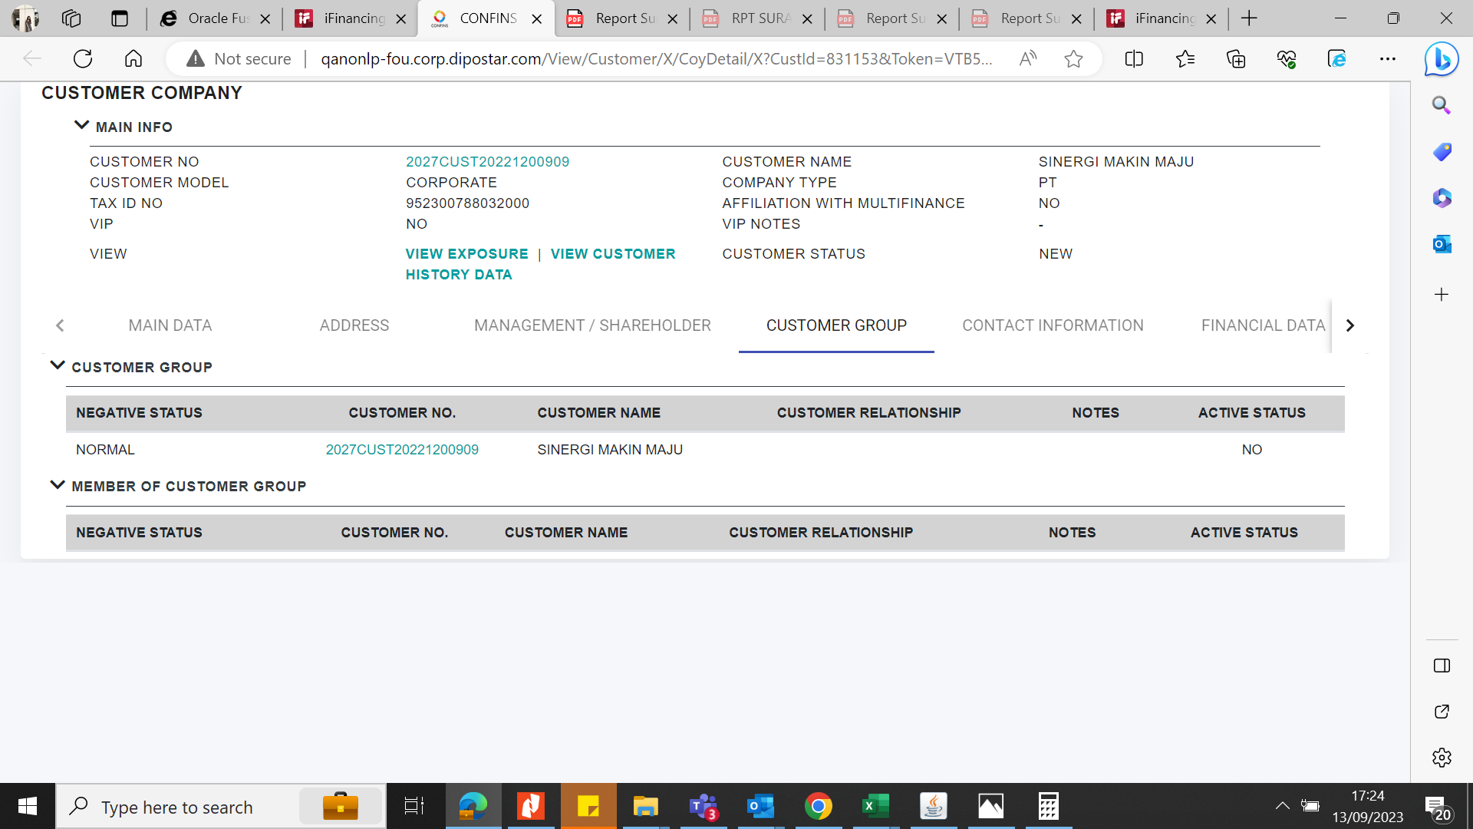
7

8

9

10

11

13

14

15

16

17

18

19

20

21

22

36

37

38

39

41

43

44

45

46

EVD_OPL 12-01 (DELLA)
Test Case ID
Test Case Summary | Lakukan WO Candidate dan entry WO manual

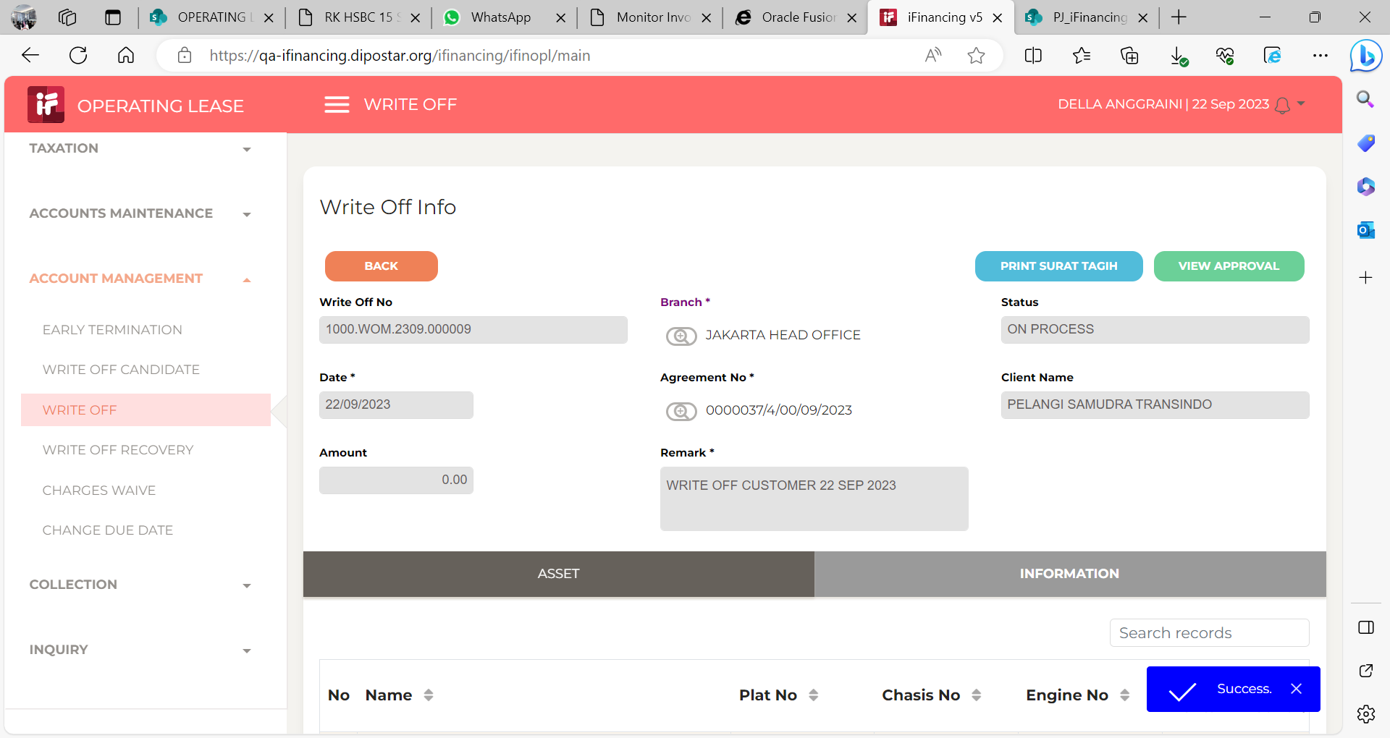
Step # | Test Evidence | Re-Test Evidence (if found Bug/Issue)
1

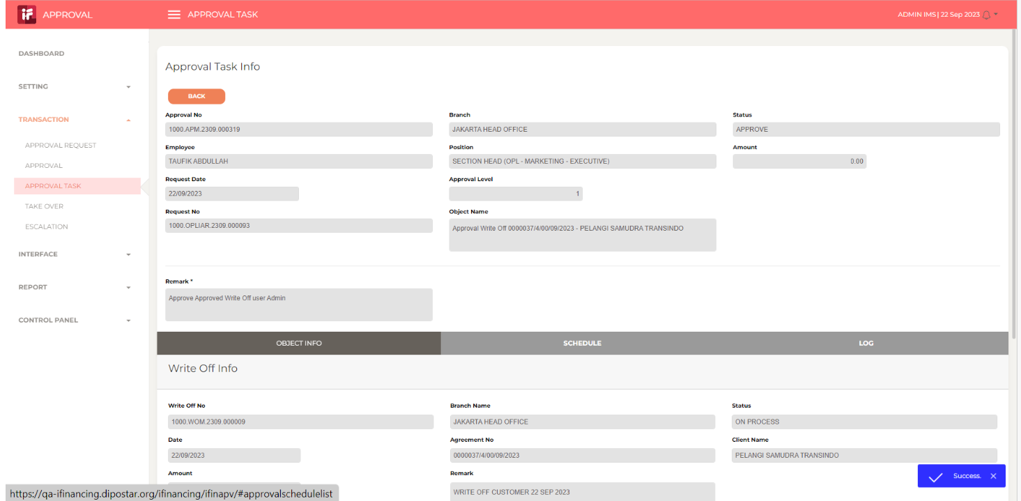
2

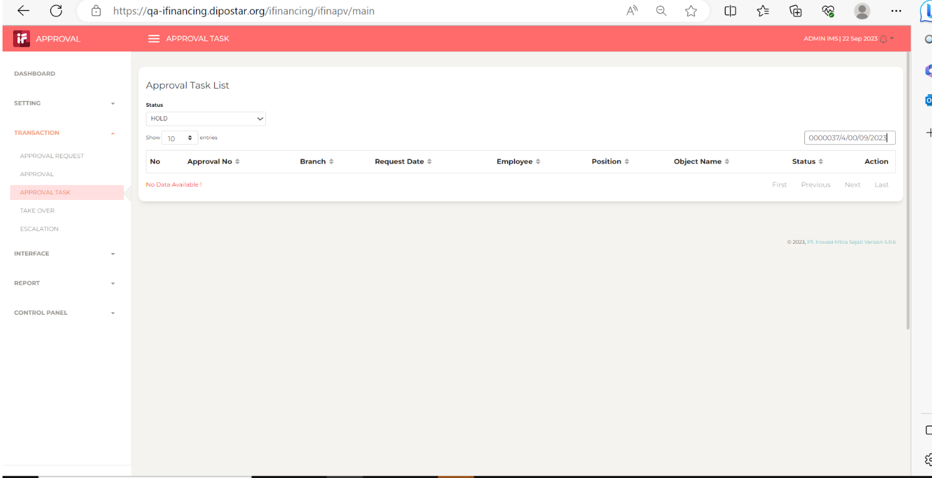
3

4
 | 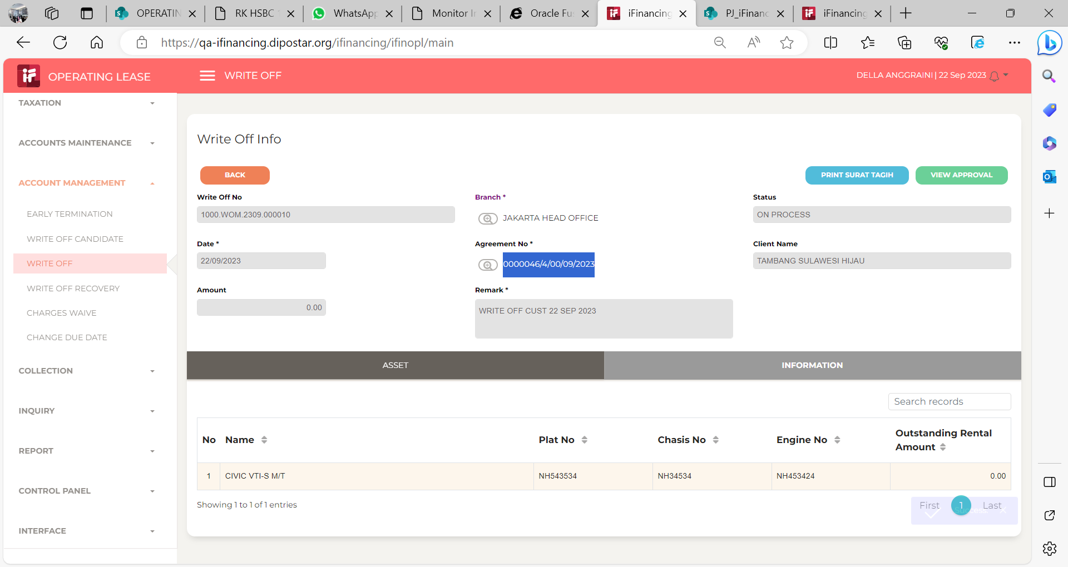

5

 | 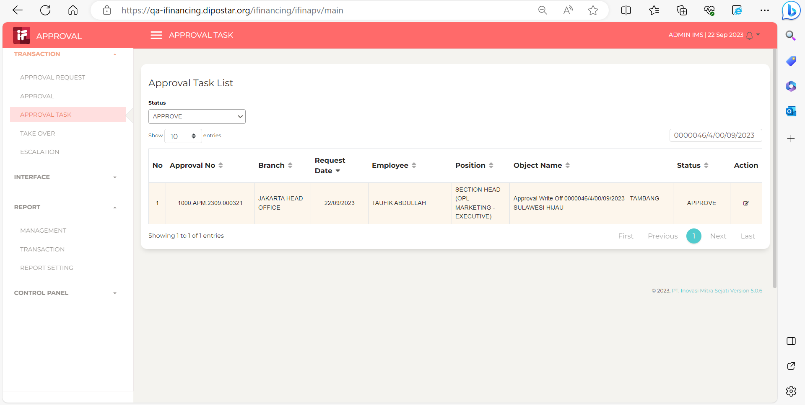

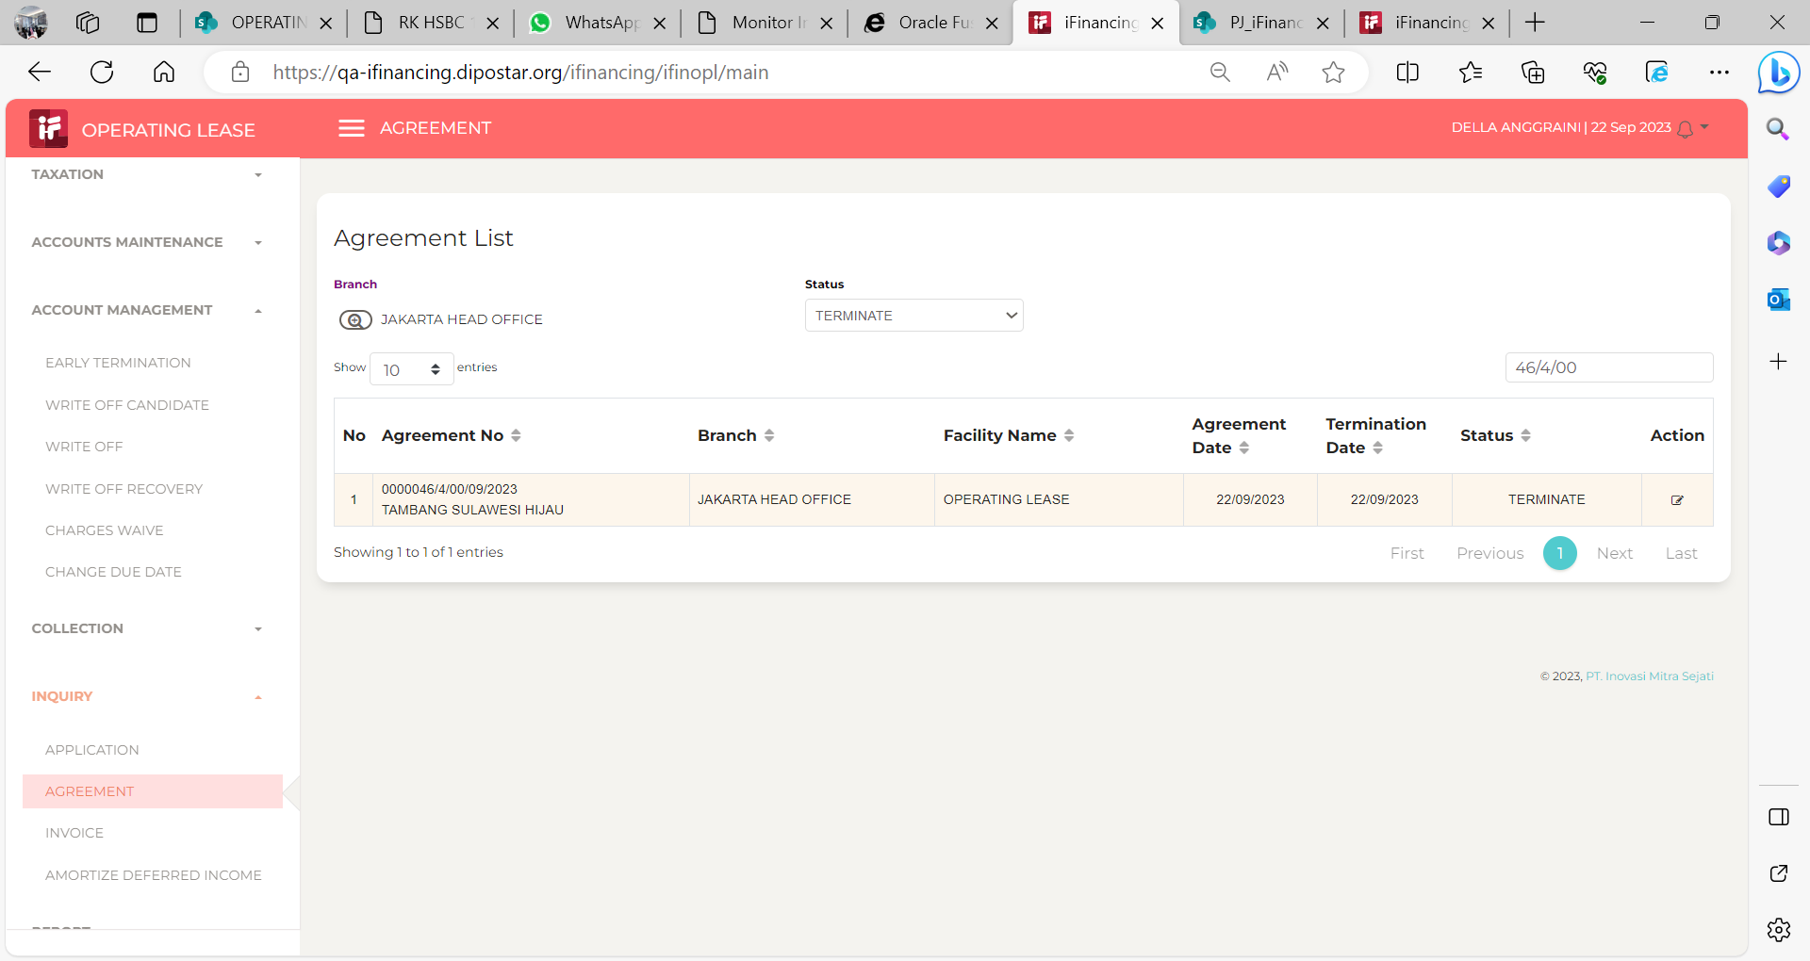
6

7

8

9

10

11

13

14

15

16

17

18

19

20

21

22

36

37

38

39

41

43

44

45

46

